Sheet1
DATE | INV NO. | DESCRIPTIONS | QTY | BILLS | PRICE | TOTAL
2025-10-12 | 1218 | LPG 50kg | 4 | 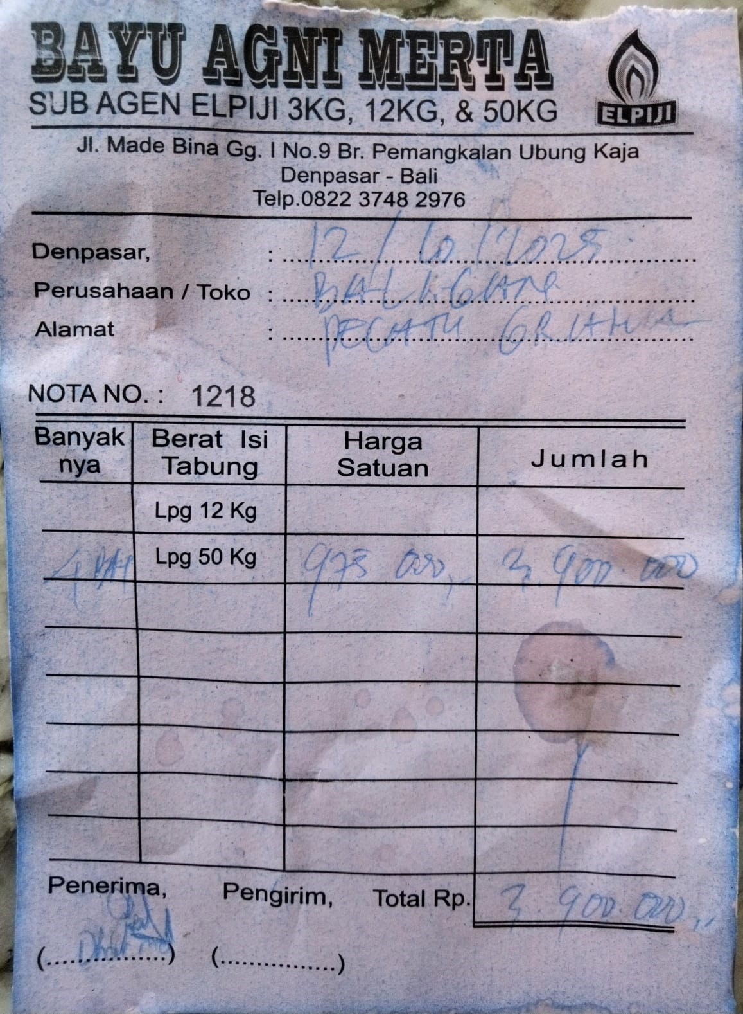 | IDR 975,000 | IDR 3,900,000
2025-10-28 | Rp1,224 | LPG 50kg | 4 | 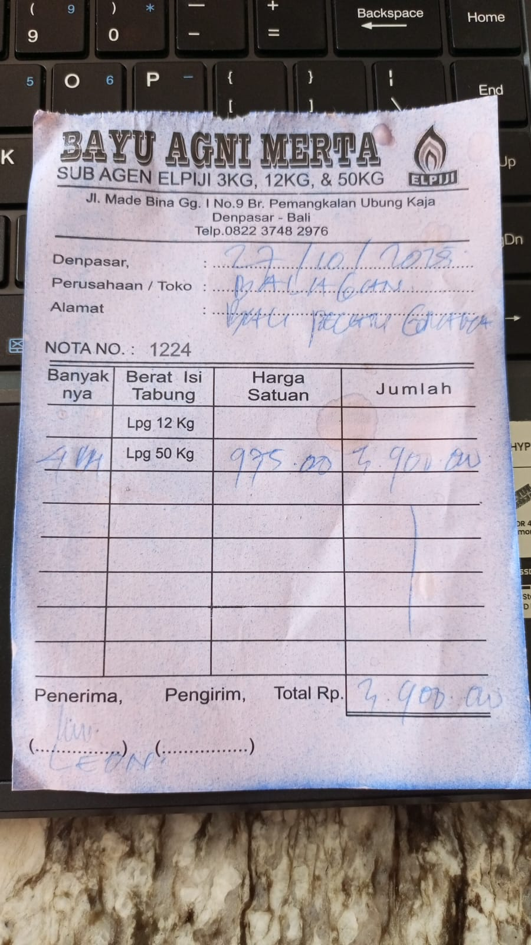 | IDR 975,000 | IDR 3,900,000
TOTAL |  |  |  | Rp7,800,000

